example1
First Task

Color vs Total Order
Color vs Total Revenue
Product vs Total Order
Product vs Revenue.
Store vs Total Order
Store vs Total Revenue

 | BLACK | RED | SILVER
1.Color vs Total Order | 254 | 233 | 238

 | BLACK
2.Color vs Total Revenue | 5119

 | BOOTS
3.Product vs Total Order | 139

 | BOOTS
4.Product vs Revenue. | 3475

 | CALIFORNIA
5.Store vs Total Order | 143

 | CALIFORNIA
6.Store vs Total Revenue | 2880

example2
Yes! I have Impressed my Boss

Store wise Revenue and %Revenue
Product Wise Revenue and %Revenue

 |  | STORE WISE REVENUE |  |  | PRODUCTWISE REVENUE

 |  | STORE | REVENUE | %REVENUE | PRODUCT | REVENUE | %REVENUE
 |  | CALIFORNIA | 2880 | 100% | BOOTS | 3475 | 100%
 |  | NEW YORK | 2843 | 101% | Slip-on Shoes | 4475 | 78%
 |  | TEXAS | 2643 | 109% | HOUSE SLIPPERS | 1288 | 270%
 | example6!A1 | INTERNET | 5575 | 52% | SANDALS | 1788 | 194%
 |  | TOTAL | 13941 | 21% | TOTAL | 11026 | 32%

example3
Happy Boss ! And I have Become Go to Person for generating the Report

Product wise Revenue and for each product I want to see store wise Revenue ( create in a format as shown in the image )
Total No of Product Based on Color

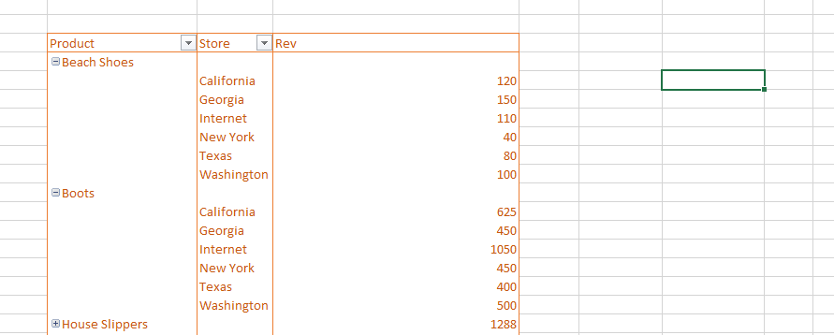

 |  | Z

 |  |  | Sum of REVENUE | Store
 |  |  | Product | California | Georgia | Internet | New York | Texas | Washington | Grand Total
 | ANS |  | Beach Shoes | 120 | 150 | 110 | 40 | 80 | 100 | 600
 |  |  | Boots | 625 | 450 | 1050 | 450 | 400 | 500 | 3475
 |  |  | House Slippers | 168 | 256 | 288 | 216 | 224 | 136 | 1288
 |  |  | Grand Total | 913 | 856 | 1448 | 706 | 704 | 736 | 5363

example5
Store Wise Revenue using multiple Tables
 |  |  |  |  |  |  |  | ANS

 |  |  |  |  |  |  |  | STORE CODE | STORE NAME | REVENUE
 |  |  |  |  |  |  |  | NY | New York | 867
 |  |  |  |  |  |  |  | CA | California | 342
 |  |  |  |  |  |  |  | TE | Texas | 150
 |  |  |  |  |  |  |  | WA | Washington | 217
 |  |  |  |  |  |  |  | GE | Georgia | 112

Order Date | Product | Price ($) | Store | Code | Store | Employees | Open Weekend
2015-01-02 | Boots | 25 | CA | CA | California | 7 | Yes
2015-01-02 | Boots | 25 | NY | GE | Georgia | 8 | Yes
2015-01-02 | Boots | 25 | GE | NY | New York | 10 | Yes
2015-01-03 | House Slippers | 8 | NY | TE | Texas | 4 | No
2015-01-03 | Boots | 25 | CA | WA | Washington | 8 | No
2015-01-03 | Boots | 25 | NY
2015-01-03 | Boots | 25 | CA
2015-01-03 | Boots | 25 | NY
2015-01-03 | House Slippers | 8 | NY
2015-01-04 | Boots | 25 | NY
2015-01-05 | Boots | 25 | NY
2015-01-05 | House Slippers | 8 | NY
2015-01-06 | Boots | 25 | NY
2015-01-06 | Boots | 25 | TE
2015-01-06 | Boots | 25 | NY
2015-01-07 | House Slippers | 8 | NY
2015-01-07 | Boots | 25 | NY
2015-01-07 | Boots | 25 | NY
2015-01-09 | Boots | 25 | NY
2015-01-09 | Boots | 25 | CA
2015-01-09 | Boots | 25 | NY
2015-01-09 | Sneakers | 20 | CA
2015-01-10 | House Slippers | 8 | CA
2015-01-10 | Sandals | 12 | NY
2015-01-10 | Sneakers | 20 | TE
2015-01-11 | Slip-on Shoes | 25 | WA
2015-01-12 | Boots | 25 | NY
2015-01-12 | House Slippers | 8 | WA
2015-01-14 | Sandals | 12 | WA
2015-01-14 | Slip-on Shoes | 25 | NY
2015-01-15 | Sandals | 12 | GE
2015-01-15 | Slip-on Shoes | 25 | NY
2015-01-15 | Stilletos | 30 | GE
2015-01-15 | Stilletos | 30 | NY
2015-01-16 | House Slippers | 8 | NY
2015-01-16 | Sandals | 12 | WA
2015-01-16 | Stilletos | 30 | NY
2015-01-17 | House Slippers | 8 | CA
2015-01-18 | Sandals | 12 | NY
2015-01-18 | Stilletos | 30 | NY
2015-01-19 | Sandals | 12 | NY
2015-01-19 | Slip-on Shoes | 25 | CA
2015-01-19 | Slip-on Shoes | 25 | NY
2015-01-19 | Sneakers | 20 | NY
2015-01-20 | Boots | 25 | NY
2015-01-20 | House Slippers | 8 | CA
2015-01-20 | Stilletos | 30 | NY
2015-01-21 | Boots | 25 | NY
2015-01-21 | Sandals | 12 | NY
2015-01-21 | Stilletos | 30 | NY
2015-01-22 | Beach Shoes | 10 | CA
2015-01-22 | Boots | 25 | NY
2015-01-22 | House Slippers | 8 | CA
2015-01-22 | Slip-on Shoes | 25 | NY
2015-01-23 | Boots | 25 | WA
2015-01-23 | Slip-on Shoes | 25 | TE
2015-01-24 | Beach Shoes | 10 | WA
2015-01-24 | Beach Shoes | 10 | NY
2015-01-24 | Slip-on Shoes | 25 | NY
2015-01-24 | Sneakers | 20 | GE
2015-01-25 | Slip-on Shoes | 25 | WA
2015-01-26 | House Slippers | 8 | WA
2015-01-26 | Sandals | 12 | NY
2015-01-26 | Slip-on Shoes | 25 | TE
2015-01-27 | Sandals | 12 | NY
2015-01-27 | Sneakers | 20 | CA
2015-01-27 | Stilletos | 30 | CA
2015-01-28 | Stilletos | 30 | TE
2015-01-28 | Boots | 25 | NY
2015-01-28 | Slip-on Shoes | 25 | CA
2015-01-28 | Stilletos | 30 | CA
2015-01-29 | Slip-on Shoes | 25 | WA
2015-01-29 | Sandals | 12 | WA
2015-01-29 | Slip-on Shoes | 25 | WA
2015-01-30 | Slip-on Shoes | 25 | NY
2015-01-30 | Slip-on Shoes | 25 | CA
2015-01-30 | Stilletos | 30 | WA
2015-01-31 | Slip-on Shoes | 25 | GE
2015-01-31 | Slip-on Shoes | 25 | TE
2015-01-31 | Slip-on Shoes | 25 | CA
2015-01-31 | Boots | 25 | NY

example6
REVENUE PER MONTH
Data!A1 | PEROID | REVENUES | REVENUES) | MONTHS
 | Jan | 1688 | STORE | Jan | Feb | Mar | Apr | May | Jun | Jul | Aug | Sep | Oct | Nov | Dec | Grand Total
 | Feb | 1233 | California | 342 | 224 | 188 | 237 | 132 | 307 | 253 | 83 | 118 | 355 | 148 | 493 | 2880
 | Mar | 1484 | Georgia | 112 | 188 | 297 | 264 | 265 | 268 | 333 | 171 | 258 | 310 | 283 | 459 | 3208
 | Apr | 1552 | Internet | 578 | 272 | 255 | 269 | 288 | 252 | 195 | 352 | 333 | 472 | 219 | 2090 | 5575
 | May | 1249 | New York | 289 | 245 | 107 | 311 | 129 | 351 | 207 | 356 | 195 | 265 | 149 | 239 | 2843
 | Jun | 1633 | Texas | 150 | 110 | 336 | 182 | 232 | 235 | 96 | 327 | 298 | 292 | 149 | 236 | 2643
 | Jul | 1293 | Washington | 217 | 194 | 301 | 289 | 203 | 220 | 209 | 241 | 155 | 236 | 230 | 422 | 2917
 | Aug | 1530 | Grand Total | 1688 | 1233 | 1484 | 1552 | 1249 | 1633 | 1293 | 1530 | 1357 | 1930 | 1178 | 3939 | 20066
 | Sep | 1357
 | Oct | 1930
 | Nov | 1178
REVENUE BY FOOTWERE CATEGORY
 | Dec | 3939
 | Grand Total | 20066

 | CATEGORY | REVENUES
 | Beach Shoes | 600
 | Boots | 3475
 | House Slippers | 1288
 | Sandals | 1788
 | Slip-on Shoes | 4475
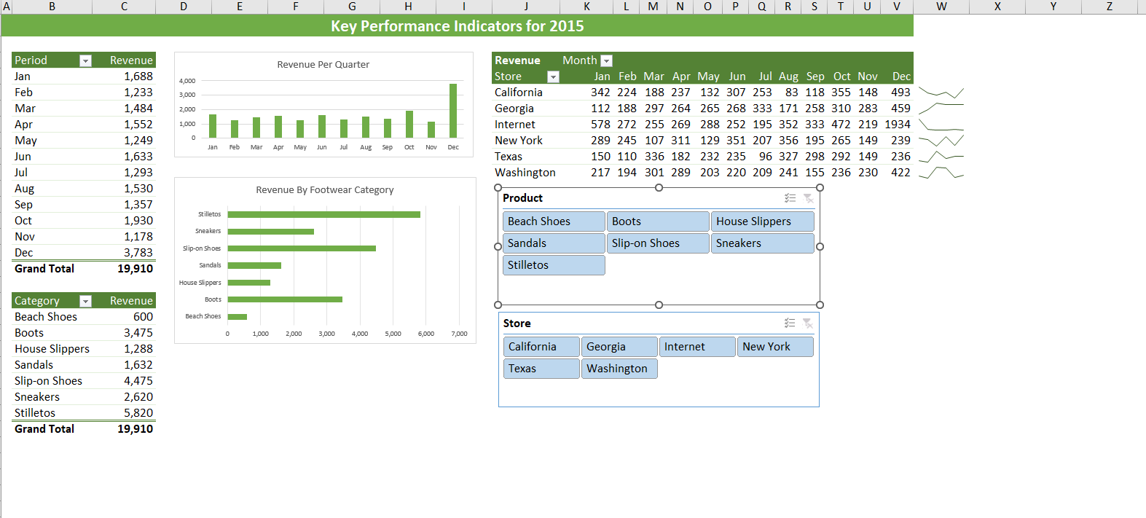
 | Sneakers | 2620
 | Stilletos | 5820
 | Grand Total | 20066

